Design User Interface
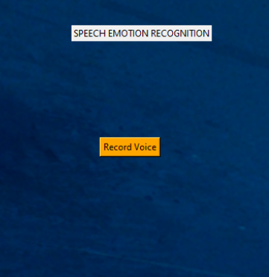

Title

Record voice button

